MFC Scoring 2026
4th Annual May Fitness Challenge (MFC). Test your limits. Push yourself. Get your baseline.
In person 16 May 2026; remote any time before midnight 31 May 2026. The main rule is that it must be completed in a single, same-day session (managing fatigue is part of the challenge). All participants to enter performance numbers by Sunday, 31 May. Although this is less 'competition' and more a friendly challenge, MFC organizers to convert to scores and announce winner. We largely follow military scoring standards. See next tab for exercise form rules & scoring. Give it your all and have fun ladies and gents!

 |  |  | ♂️ |  | ♂️ |  | ♂️ |  | ♂️ |  | ♂️ |  | ♂️ |  | ♂️ |  | ♂️ |  | ♂️ |  | ♂️
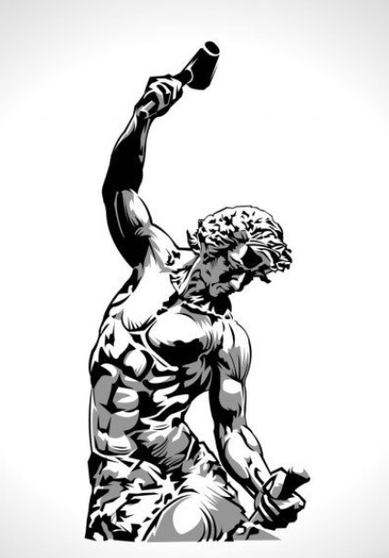
 |  | Pts | Steve performance (reps, time, etc.) | Steve score | Zach performance (reps, time, etc.) | Zach score | Carl performance (reps, time, etc.) | Carl score | Marco performance (reps, time, etc.) | Marco score | Cole performance (reps, time, etc.) | Cole score | Landon performance (reps, time, etc.) | Landon score | Devon performance (reps, time, etc.) | Devon score | Kael performance (reps, time, etc.) | Kael score | Fahreza performance (reps, time, etc.) | Fahreza score | Tyrone performance (reps, time, etc.) | Tyrone score

1st | Max pull-ups | 10
2nd | Max single leg box squats | 10
3rd | Max push-ups | 10
4th | Sit and reach | 10
5th | Max chin-ups | 10
6th | Max dips | 10
7th | Plank for time | 10
8th | Deadhang for time | 10
9th | Broad jump for distance | 10
10th | 100m dash for time | 10
11th | 1 mile run for time | 10
12th | Max burpees (in 3 min) | 10
 |  |  | SP FINAL SCORE |  | ZP FINAL SCORE |  | C FINAL SCORE |  | MV FINAL SCORE: |  | CB FINAL SCORE |  | LH FINAL SCORE |  | D FINAL SCORE |  | KN FINAL SCORE |  | FH FINAL SCORE |  | TB FINAL SCORE

 | Weigh-in (pre-MFC)
 | Age: |  | 41 |  | 39.8 |  | 36 |  | 36.1 |  | 27 |  | 22

 | Category wins
 | Awards/Honors | Up for grabs includes: Overall winner, Most category wins (if different), Burpee King, Fastest Mile, Fastest 100m, Bendyboy, Erection Award, Pug Mile (slowest)

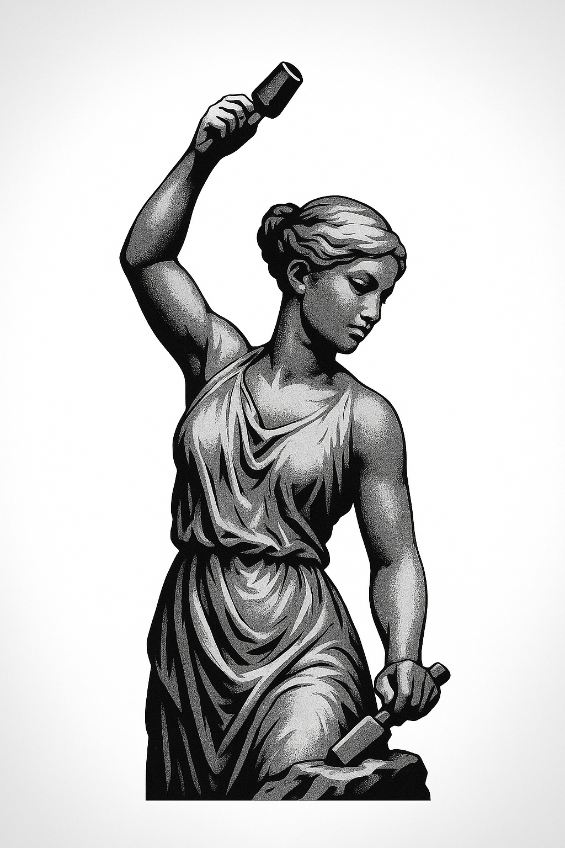
 |  |  | ♀️ |  | ♀️ |  | ♀️ |  | ♀️

 |  | Pts | Ester performance (reps, time, etc.) | Ester score | Trang performance (reps, time, etc.) | Trang score | <name> performance (reps, time, etc.) | <name> score | <name> performance (reps, time, etc.) | <name> score

1st | Max pull-ups | 10
2nd | Max single leg box squats | 10
3rd | Max push-ups | 10
4th | Sit and reach | 10
5th | Max chin-ups | 10
6th | Max dips | 10
7th | Plank for time | 10
8th | Deadhang for time | 10
9th | Broad jump for distance | 10
10th | 100m dash for time | 10
11th | 1 mile run for time | 10
12th | Max burpees (in 3 min) | 10
 |  |  |  | 0.00 |  | 0.00 |  | 0.00 |  | 0.00

 | Weigh-in (pre-MFC) |  | -140 lol |  | 137
 | Age: |  | 18 |  | 28

 | Category wins
 | Awards/Honors

 |  |  | To finalize women's scores, we need to resolve data in red text. Ideally, we have age, weight, and even height data for all participants. Scoring methodology should also be agreed for: (1) Conversion ratio of static pull-up and chin-up holds for time to full movement; (2) Whether to use height-to-distance ratio for broad jump for fairer comparison with mixed height participants;

Exercise rules & scoring method
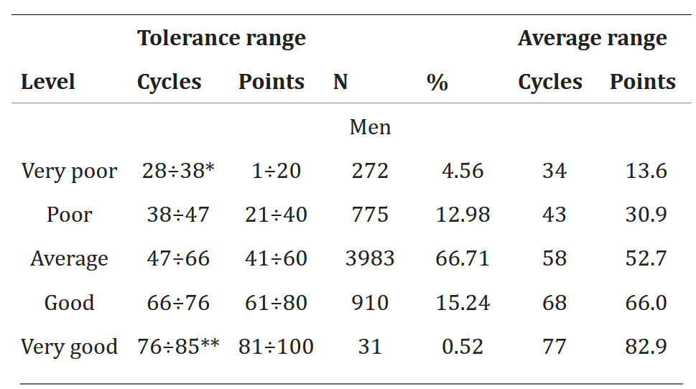
We'll follow the honor system on posting our performance numbers. Below are the form rules and scoring methodologies.

Order |  | Pts | Form rules and scoring methodologies
1st | Max pull-ups | 10 | Rules: Men: Chin must go over bar. No kipping or momentum-generating movements, but otherwise breakdown in form is acceptable. For women, static hold in pull-up position for time. Scoring: Military scoring (see link at right and Table 2.2) adjusted from 100 pt scale to 10 pt scale. For women, winner takes 10, everyone else pro-rated.
2nd | Max single leg box squats | 10 | Rules: Ass only grazes chair on the way down, no sitting down where weight goes fully into chair (think 'tap and go' not 'thud and push'). Best average of both legs. Suggest best of 2 (3?) attempts for each leg to give opportunity to best demonstrate true strength. No tree pose or resting your leg/foot on the other leg. Scoring: Winner takes 10, loser pro-rated.
3rd | Max push-ups | 10 | Rules: Military time limit (2 min). Proper push up form. Chest must touch 12oz can / bottle / fist width on each rep (laying flat). No ass in air. Feet no wider than shoulder width. Downward dog rests allowed, but reps stop as soon as knees touch ground. For women, knee push-ups. Scoring: Military scoring (see link at right) adjusted from 100 pt scale to 10 pt scale.
4th | Sit and reach | 10 | Rules: Legs flat. Multiple breaths allowed. Must hold for minimum 2 seconds. Two hands (separate, not togeter). If hands unequal, measurement from fingertip that doesn't reach the furthest. Score: Category table below. 0 for very poor, then everything upwards converted to a 10 point scale.
5th | Max chin-ups | 10 | Rules: Same as pull-ups. Scoring: Strengthlevel.com calculator using age and bodyweight. Otherwise winner take 10 + pro-rate.
6th | Max dips (rings or bar) | 10 | Rules: Arms must come to 90 at bottom of dip. Scoring: Strengthlevel.com calculator using age and bodyweight.
7th | Plank for time | 10 | Rules: Proper horizontal plank form. No ass in air. Position of elbows/hands up to you. Clock stops when knee down or ass comes up. Scoring: Navy standards. See link at right and table below.
8th | Deadhang for time | 10 | Rules: Just hang. Scoring: Use scoring table below, interpolated across scale (no category jumps in points)
9th | Broad jump for distance | 10 | Rules: Measured from back of heel on back-most foot. Scoring: Category table below. 0 points for very poor category, 10 points for excellent, everything else linearly interpolated.
10th | 100 meter dash for time | 10 | Side-by-side heat with camera on tripod at finish line. Scoring could standardized to 100 yd times for our age group (if available), or winner takes 10 and we agree on -1pt per X feet behind (using video finish).
11th | 1 mile run for time | 10 | Scoring: See full sheet. Women's data to be calculated post-MFC.
12th | Max burpees (in 3 min) | 10 | Rules: Burpees without push-ups Scoring: Try to use table below. Otherwise winner takes 10, loser pro-rated.

 | #1 - PULL-UPS
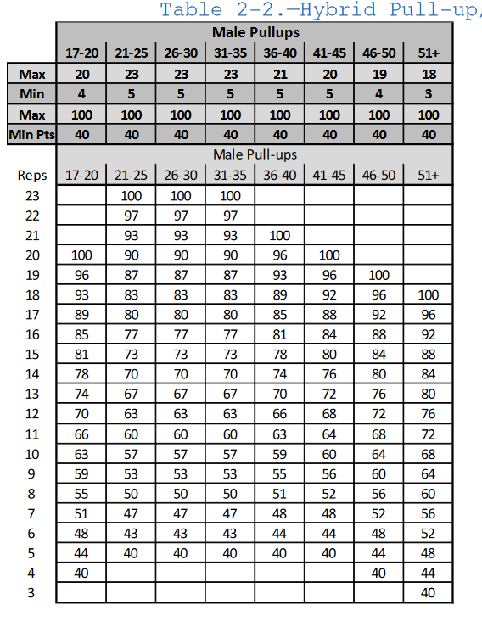

 |  |  | 56.66667

 | #2 - SINGLE LEG BOX SQUATS

 | #3 - PUSHUPS
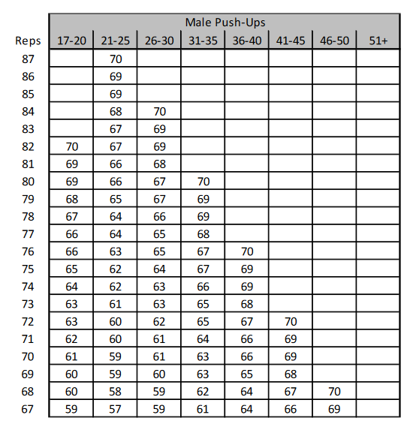
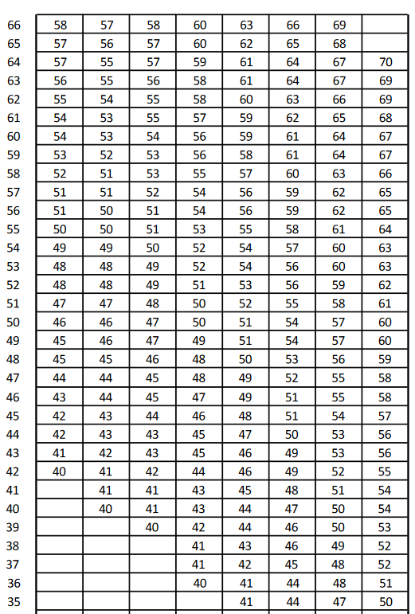

 |  |  |  |  |  |  |  |  | 9.96
 |  |  |  |  |  |  |  |  | 8.3
 |  |  |  |  |  |  |  |  | 6.64
 |  |  |  |  |  |  |  |  | 4.98
 |  |  |  |  |  |  |  |  | 3.32
 |  |  |  |  |  |  |  |  | 1.66

 |  |  |  | 4.5
 |  |  |  | 1.66 | 6.8125 | 8.0625
 |  |  |  |  | 0.8125 | 2.0625
 |  |  |  | 6.64 | 0.1805555556 | 0.4583333333
 |  |  |  |  | 6.939722222 | 7.400833333

 | #4 - SIT & REACH
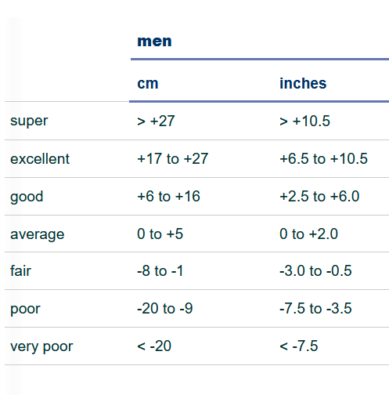

 |  |  | MFC Scores | Table | Reach
 |  |  | 10.0 | Super | >10.5
 |  |  | 8.3 | excellent | 6.5 to 10.5 | #VALUE! | #VALUE! | #VALUE! | #VALUE!
 |  |  | 6.6 | good | 2.5 to 6.0
 |  |  | 5.0 | average | 0 to 2.0
 |  |  | 3.3 | fair | -3.0 to -0.5
 |  |  | 1.7 | poor | -7.5 to -3.5
 |  |  | 0 | Very poor | Less than -7.5

 | #7 - PLANKS

 | #5 - MAX CHIN UPS
 | Strengthlevel.com. Percentile maps to points out of 10.

 | #6 - MAX DIPS
 | Strengthlevel.com. Percentile maps to points out of 10.

 | #7 - PLANK FOR TIME
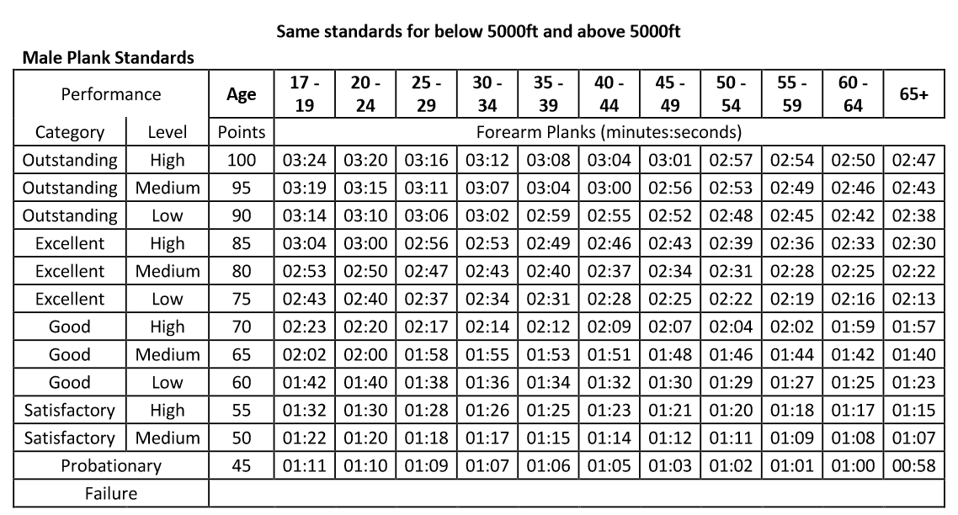

 | #8 - DEAD HANG FOR TIME |  | Source: https://www.workedoutfitness.com/search/ex/dead-hang
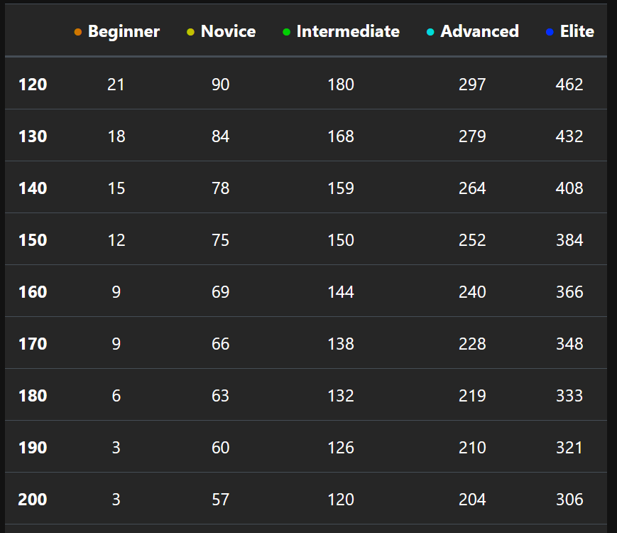
 |  |  | Elite is 10 points, 0 is 0, everything else linearly interpolated.
 |  |  |  | Beginner | Novice | Intermediate | Advanced | Elite
 |  |  |  | 3 | 57 | 120 | 204 | 306

 | #9 - BROAD JUMP
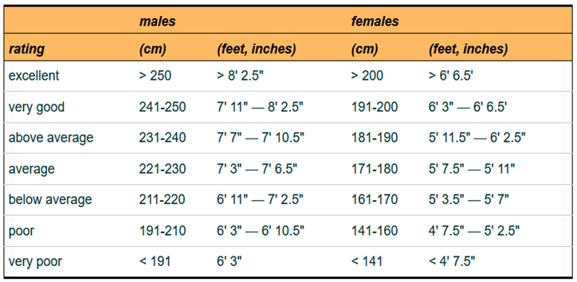

 |  |  |  | very poor | poor | below avg | avg | above avg | very good | excellent
 |  |  |  | <191 | 191-210 | 211-220 | 221-230 | 231-240 | 241-250 | >250

 | #10 - 100 METER DASH

 | Fitness Level |  | 100m Time (Men) | Score
 | Elite / Spec Ops |  | < 11.5 sec | 10
 | Fit Military |  | 11.5 – 13.0 sec |  | linear interpolation
 | Average Recruit |  | 13.0 – 15.0 sec |  | linear interpolation
 | Needs Improvement |  | > 15.0 sec | 0

 | #11 - MILE TIMES |  | See 'Male Mile Times' for full scoring table.
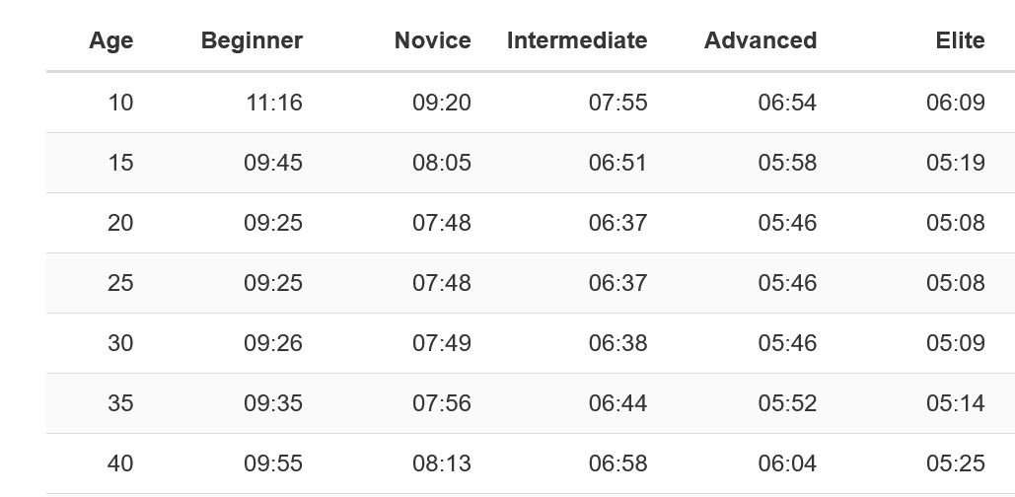

 | #12 - BURPEES

Womens data
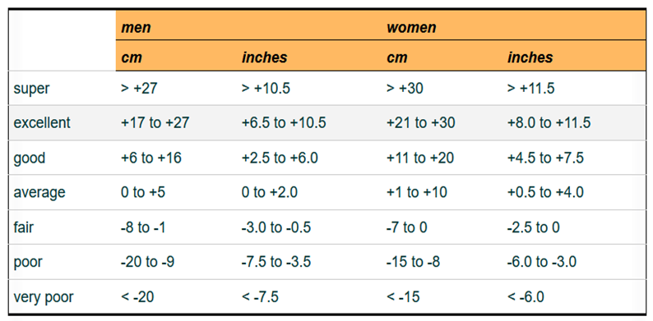
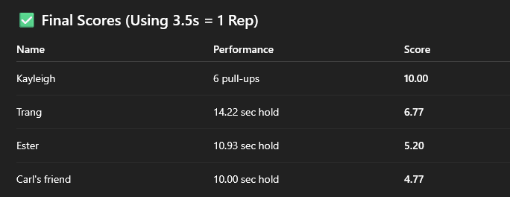
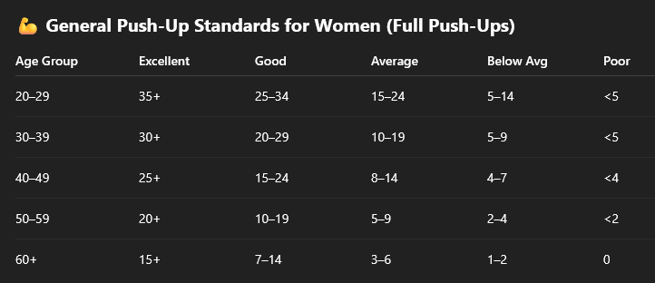
 |  |  |  |  | Age | Beginner | Novice | Intermediate | Advanced | Elite

 |  |  |  |  | 20 | 10:40:00 | 9:00:00 | 7:44:00 | 6:48:00 | 6:06:00
 |  |  |  |  | 25 | 10:40:00 | 9:00:00 | 7:44:00 | 6:48:00 | 6:06:00
 |  |  |  |  | 30 | 10:40:00 | 9:00:00 | 7:44:00 | 6:48:00 | 6:06:00
 |  |  |  |  | 35 | 10:44:00 | 9:04:00 | 7:47:00 | 6:50:00 | 6:08:00
 |  |  |  |  | 40 | 10:58:00 | 9:15:00 | 7:57:00 | 6:59:00

Broad jump Men and Women

 | very poor | poor | below avg | avg | above avg | very good | excellent
 | <141 | 141-160 | 161-170 | 171-180 | 181-190 | 191-200 | >200

Sit n reach men and women

